COMPANY
NAME | CHINONSO DAVID
PROJECT | CLEON-HR
DATE:

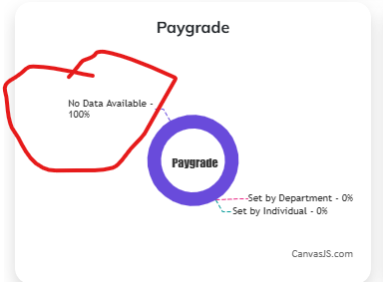
BUG ID | MODULE | DESCRIPTION | STEPS TO REPRODUCE | EXPECTED RESULT | STATUS | SEVERITY | REGRESSION | COMMENT | SCREENSHOT
CLN 001 | DASHBOARD | the text within the PAYGRADE, STATUTORY AMOUNT AND DEDUCTED AMOUNT STATISTICS circle is not well aligned | 1. login to Cleon Hr company 2. Click on dashboard 3. Scroll down on dashboard | the texts ought to be within the circle | OPEN | MEDIUM
CLN 002 | DASHBOARD | the link at the bottom "canvajs.com" should not be included in the implementation | 1. login to Cleon Hr company 2. Click on dashboard 3. Scroll down on dashboard | The text is not supposed to be displayed in the implementation | OPEN | HIGH
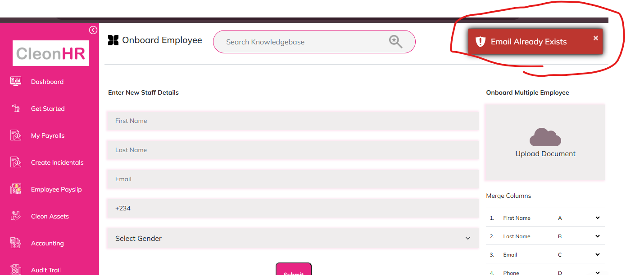
CLN 003 | DASHBOARD | in the text "no data available - 100%", 100% should not be included for an empty data | 1. login to Cleon Hr company 2. Click on dashboard 3. Scroll down on dashboard | it should read 0% or no data availble | OPEN | LOW
CLN 004 | ONBOARD EMPLOYEE | User cannot add a male employee as system displays"Email already exists" | 1. Click on GET STARTED 2. Click on ONBOARD EMPLOYEE 3. Fill in all fields 4. Select male as gender 5. submit | An appropriate response message should be displayed | OPEN | CRITICAL
CLN 005 | ONBOARD EMPLOYEE | When onboarding multiple employee, system is not specific on what type of file to upload | 1. Click on GET STARTED 2. Click on ONBOARD EMPLOYEE | System shuld be specific on what type of file user is expected to upload | OPEN | MEDIUM
CLN 006 | ONBOARD EMPLOYEE | During onboarding multiple employee, there should be a sample file for user to download as example | 1. Click on GET STARTED 2. Click on ONBOARD EMPLOYEE | There should be a sample file which user can download for reference purpose | OPEN | MEDIUM
CLN 007 | ONBOARD EMPLOYEE | when user attempts to onboard employee with invalid email field format, user is redirected to a wrong page | 1. Click on GET STARTED 2. Click on ONBOARD EMPLOYEE 3. Fill in all fields 4. input random name on email field, without the extension(@gmail.com) 5. submit | An error message should be displayed indicating wrong email format | OPEN | CRITICAL
CLN 008 | ONBOARD EMPLOYEE | when user clicks on APPROVE ALL button, in the onboard employee page, it only approves one employee per click | 1. After sucessfully onboarding an employee, user will be directed to onboarding page 2. On the page, click on approve all button | When user clicks on approve all, all employees should be automatically approved | OPEN | HIGH | 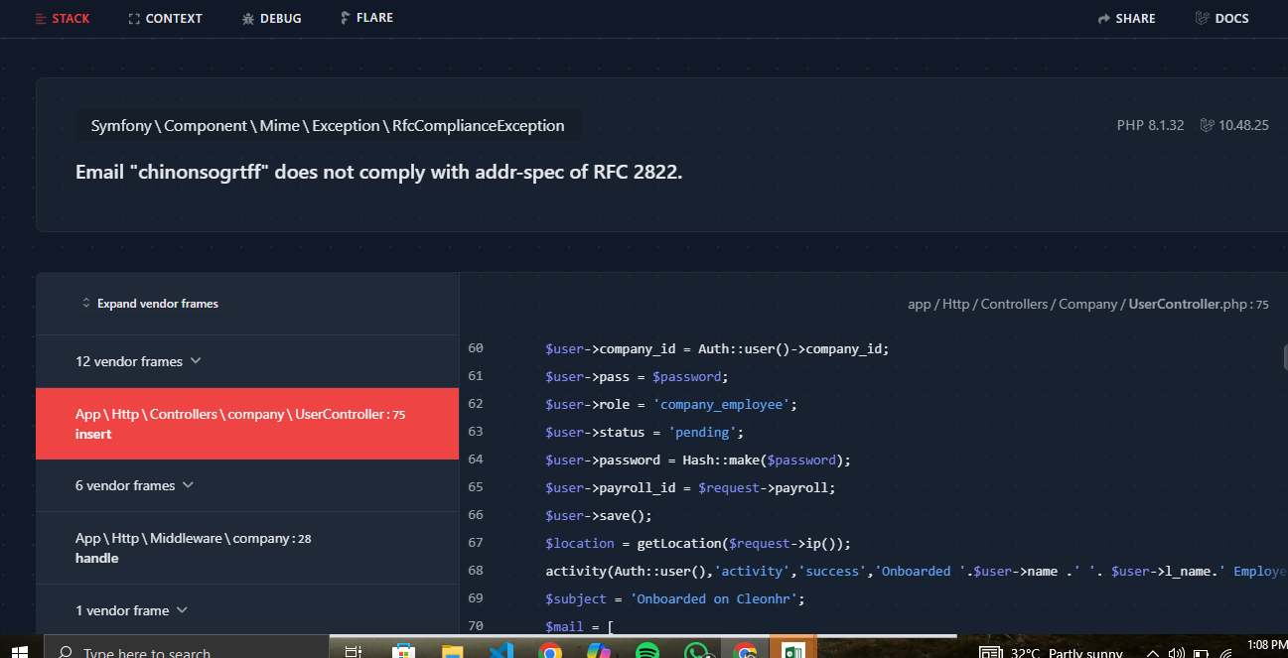
CLN 009 | CONFIGURE PAYROLL | During configure payroll, SELECT PAYGRADE is overlaping statutory elements | 1. Click on MY PAYROLLS 2. Click on Configure 3. Move to the last slide | The select paygrade drop-down should not overlap any other elements | OPEN | CRITICAL
CLN 010 | CONFIGURE PAYROLL | On the first slide of the PAYROLL, the texts are not well aligned | 1. Click on MY PAYROLLS 2. Click on Configure 3. Move to the first slide | All texts should be within the shape | OPEN | HIGH | 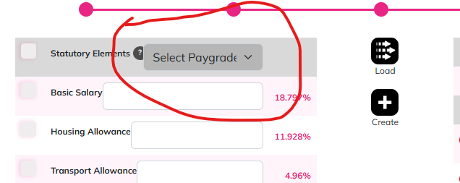 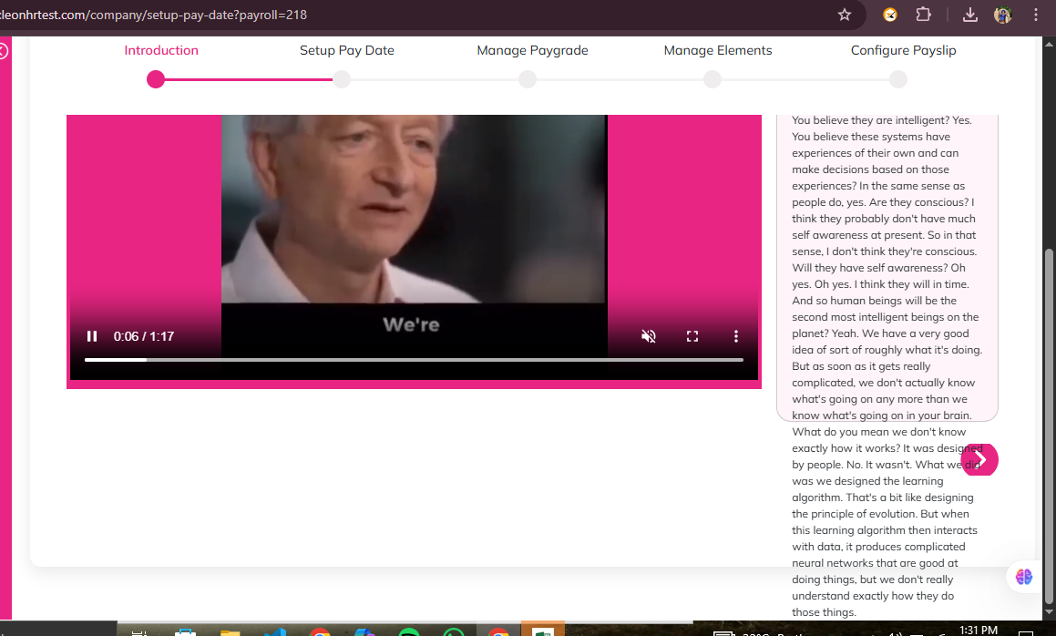
CLN 011 | ACCOUNTING FINANCIAL STATUS | There should be a minimum amount which user is allowed to top up with | 1. Click on MY PAYROLLS 2. Click on Configure 3. Fill in through all details in all slides and click on next 4. click on top up | There should be a minimum amount which user is allowed to top up with | OPEN | CRITICAL | 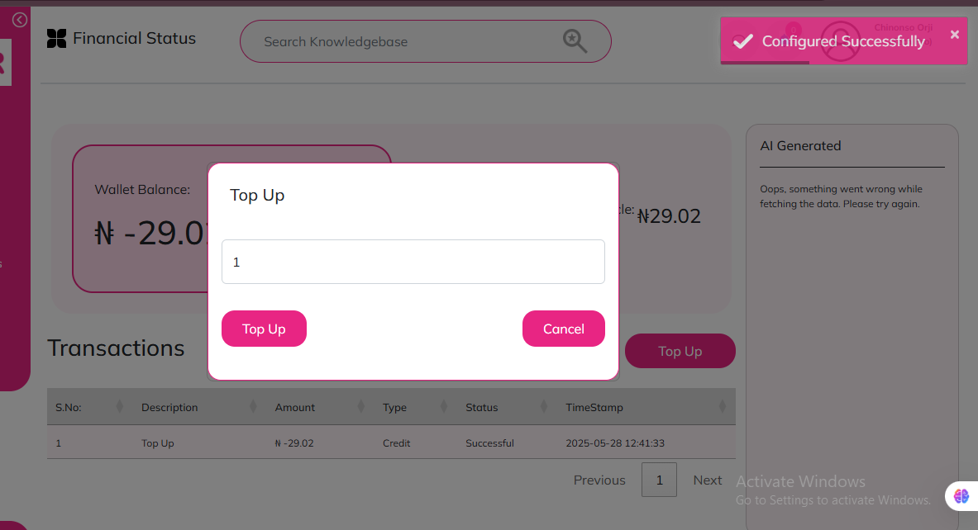
CLN 012 |  | some modules within the app do not have a BACK Button which user can click on to be redirected to the previous page | 1. Click on MY PAYROLLS 2. Click on the three dots at the side of the configure button 3. Click on view employee 4. attempts to go back to previous page | There should be a BACK Button for user to use to move to the previous page | OPEN | CRITICAL
CLN 013 | AUDIT TRAIL Activity log | The time stamps shown on the application is one hour less than the current time | 1. Create/ configure employee successfully 2. Click on Audit trail 3. Click on Activity log 4. Check time stamp of the activity | The timing should be placed to normal | OPEN | CRITICAL
CLN 014 | TIME-OUT | User should be automatically logged out if no activity is performed on the app after a iven period of time | 1. Log in and exit the appp |  | OPEN | HIGH
CLN 015 | LOG-OUT | When user clicks on log-out button. a confirmation pop up message should be displayed asking user to confirm log out | 1. Click on Log out |  | OPEN | HIGH
CLN 016 | PROFILE | When user clicks on their profile, all buttons displayed leads user back to the onboarding page | 1. Click on Profile icon at the top left and click on any of the buttons |  | OPEN | CRITICAL
CLN 017 | PROFILE | When user turn on CLEON Guide, user will be redirected to another page | 1. Click on profile 2. Check on CLEON GUIDE |  | OPEN | CRITICAL
CLN 018 | USER SIGN UP | Employes cannot create an account | 1. On the landing page, click on sign up | Employee should be able to sign up | OPEN | CRITICAL

